Goutam
BUG ID | PRIORITY | BUG SUMMARY | PRE-REQUISITES | BUG STEPS | EXPECTED RESULT | ACTUAL RESULT | STATUS | TEST EXECUTED BY | BROWSER/DEVICE | SCREENSHOT
BB_CF_001 | Medium | In the category section the Eggs,Fish&Meat | 1.) Open Browser 2.) URL :-https://66405eedbcb7ce8c1a800ea6--timely-froyo-5c39a1.netlify.app/ | 1. Enter the URL, application will be opened 2. In the category section. | Eggs,Fish&Meat are present in the category section but when user search same thing on search bar. | Not given the result when user search the eggs,fish&Meat | Fail | Goutam Malviya | 1. Browser :- Chrome 2. Window :- 11 | 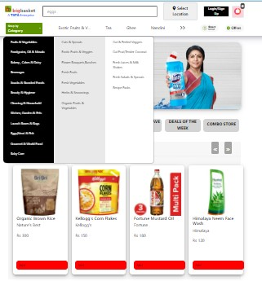

BB_CF_002 | Medium | In the category section the Eggs,Fish&Meat | 1.) Open Browser 2.) URL :-https://66405eedbcb7ce8c1a800ea6--timely-froyo-5c39a1.netlify.app/ | 1. Enter the URL, application will be opened 2. In the category section. | Eggs,Fish&Meat are present in the category section but when user can click on that. | Not given the result when user search can click on that. | Fail | Goutam Malviya | 1. Browser :- Chrome 2. Window :- 11 | 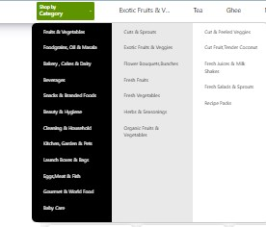

BB_CF_003 | Medium | In the category section. | 1.) Open Browser 2.) URL :-https://66405eedbcb7ce8c1a800ea6--timely-froyo-5c39a1.netlify.app/ | 1. Enter the URL, application will be opened 2. In the category section. | Filter and add to favourite are supposed in the category section | Not given Filter and add to favourite. | Fail | Goutam Malviya | 1. Browser :- Chrome 2. Window :- 11

